Blue Line
Line | Section | Block Number | Block Length (m) | Block Grade (%) | Speed Limit (Km/Hr) | Infrastructure |  | ELEVATION (M) | CUMALTIVE ELEVATION (M) | seconds to traverse block | Line Direction | Distance to stop (m) | Blocks to Stop | Connected Blocks
Blue | A | 1 | 50 | 0 | 50 |  |  | 0.00 | 0.00 | 3.60 | Forward | 80.375643004 | 1.6075128601 | 2
Blue | A | 2 | 50 | 0 | 50 |  |  | 0.00 | 0.00 | 3.60 | Forward | 80.375643004 | 1.6075128601 | 1,3
Blue | A | 3 | 50 | 0 | 50 |  |  | 0.00 | 0.00 | 3.60 | Forward | 80.375643004 | 1.6075128601 | 2,4
Blue | A | 4 | 50 | 0 | 50 |  |  | 0.00 | 0.00 | 3.60 | Forward | 80.375643004 | 1.6075128601 | 3,5
Blue | A | 5 | 50 | 0 | 50 | SWITCH (5-6; 5-11) |  | 0.00 | 0.00 | 3.60 | Forward | 80.375643004 | 1.6075128601 | 4,6,11
Blue | B | 6 | 50 | 0 | 50 | SWITCH (5-6) |  | 0.00 | 0.00 | 3.60 | Forward | 80.375643004 | 1.6075128601 | 5,7,11
Blue | B | 7 | 50 | 0 | 50 |  |  | 0.00 | 0.00 | 3.60 | Forward | 80.375643004 | 1.6075128601 | 6,8
Blue | B | 8 | 50 | 0 | 50 |  |  | 0.00 | 0.00 | 3.60 | Forward | 80.375643004 | 1.6075128601 | 7,9
Blue | B | 9 | 50 | 0 | 50 |  |  | 0.00 | 0.00 | 3.60 | Forward | 80.375643004 | 1.6075128601 | 8,10
Blue | B | 10 | 50 | 0 | 50 | STATION; B | Left/Right | 0.00 | 0.00 | 3.60 | Forward | 80.375643004 | 1.6075128601 | 9
Blue | C | 11 | 50 | 0 | 50 | SWITCH (5-11) |  | 0.00 | 0.00 | 3.60 | Forward | 80.375643004 | 1.6075128601 | 5,6,12
Blue | C | 12 | 50 | 0 | 50 |  |  | 0.00 | 0.00 | 3.60 | Forward | 80.375643004 | 1.6075128601 | 11,13
Blue | C | 13 | 50 | 0 | 50 |  |  | 0.00 | 0.00 | 3.60 | Forward | 80.375643004 | 1.6075128601 | 12,14
Blue | C | 14 | 50 | 0 | 50 |  |  | 0.00 | 0.00 | 3.60 | Forward | 80.375643004 | 1.6075128601 | 13,15
Blue | C | 15 | 50 | 0 | 50 | STATION; C | Left/Right | 0.00 | 0.00 | 3.60 | Forward | 80.375643004 | 1.6075128601 | 14

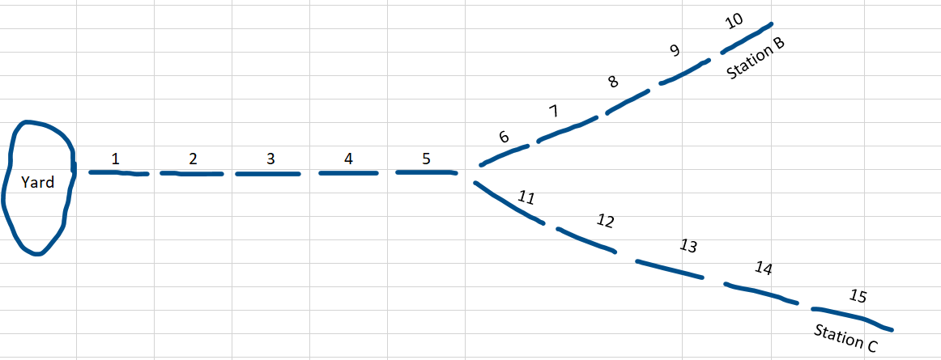
6 7 8 9 10
Station B
Station C

 | 1 | 2 | 3 | 4 | 5
Yard

11 12 13 14 15

Track Layout
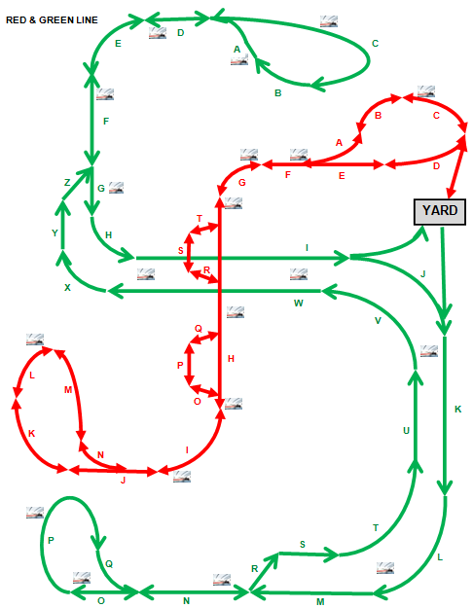
Sections consist of multiple blocks. | Sections are not drawn to scale
The lowest block number is closest to the letter in the alphabet preceding the block section letter.

Vehicle Data 1
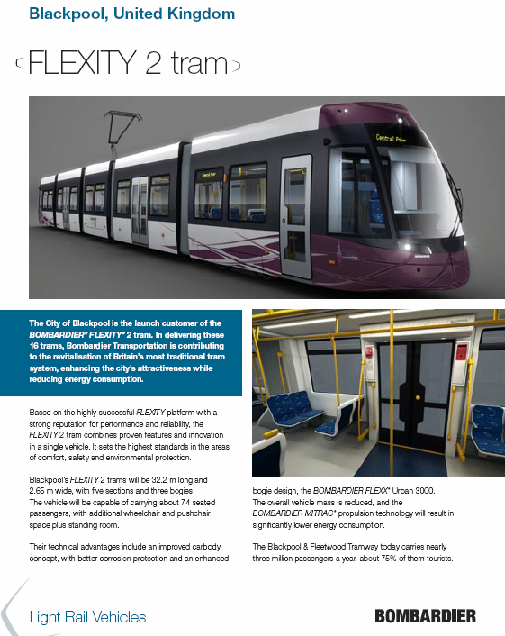

Vehicle Data 2
